Sheet1
Bin Colour | Description | Waste Type | Locations | Parent Bin | Disposal Contractor | Collection Freq | Photograph
Red with Black Lid | General Waste | General Waste | Outside main roller door at Unit 9 | n/a | Biffa | Fortnightly (Wed)
Red with Red Lid | Dry Mixed Recycling | Paper Recycling Cardboard Metal Cans Plastics | Outside main roller door at Unit 9 | n/a | Biffa | Fortnightly (Tue)
Grey | General Waste & Mixed Recycling | General Waste Paper / Recyclable | Main office Unit 8 Kitchen Test Room Training Centre | Red with Black Lid Red with Red Lid | n/a | n/a | 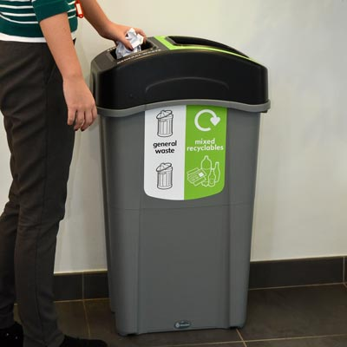
Blue | Confidential Waste | Paper Cardboard | Unit 9 Training Office | n/a | P.W. Archer & Son | Monthly | 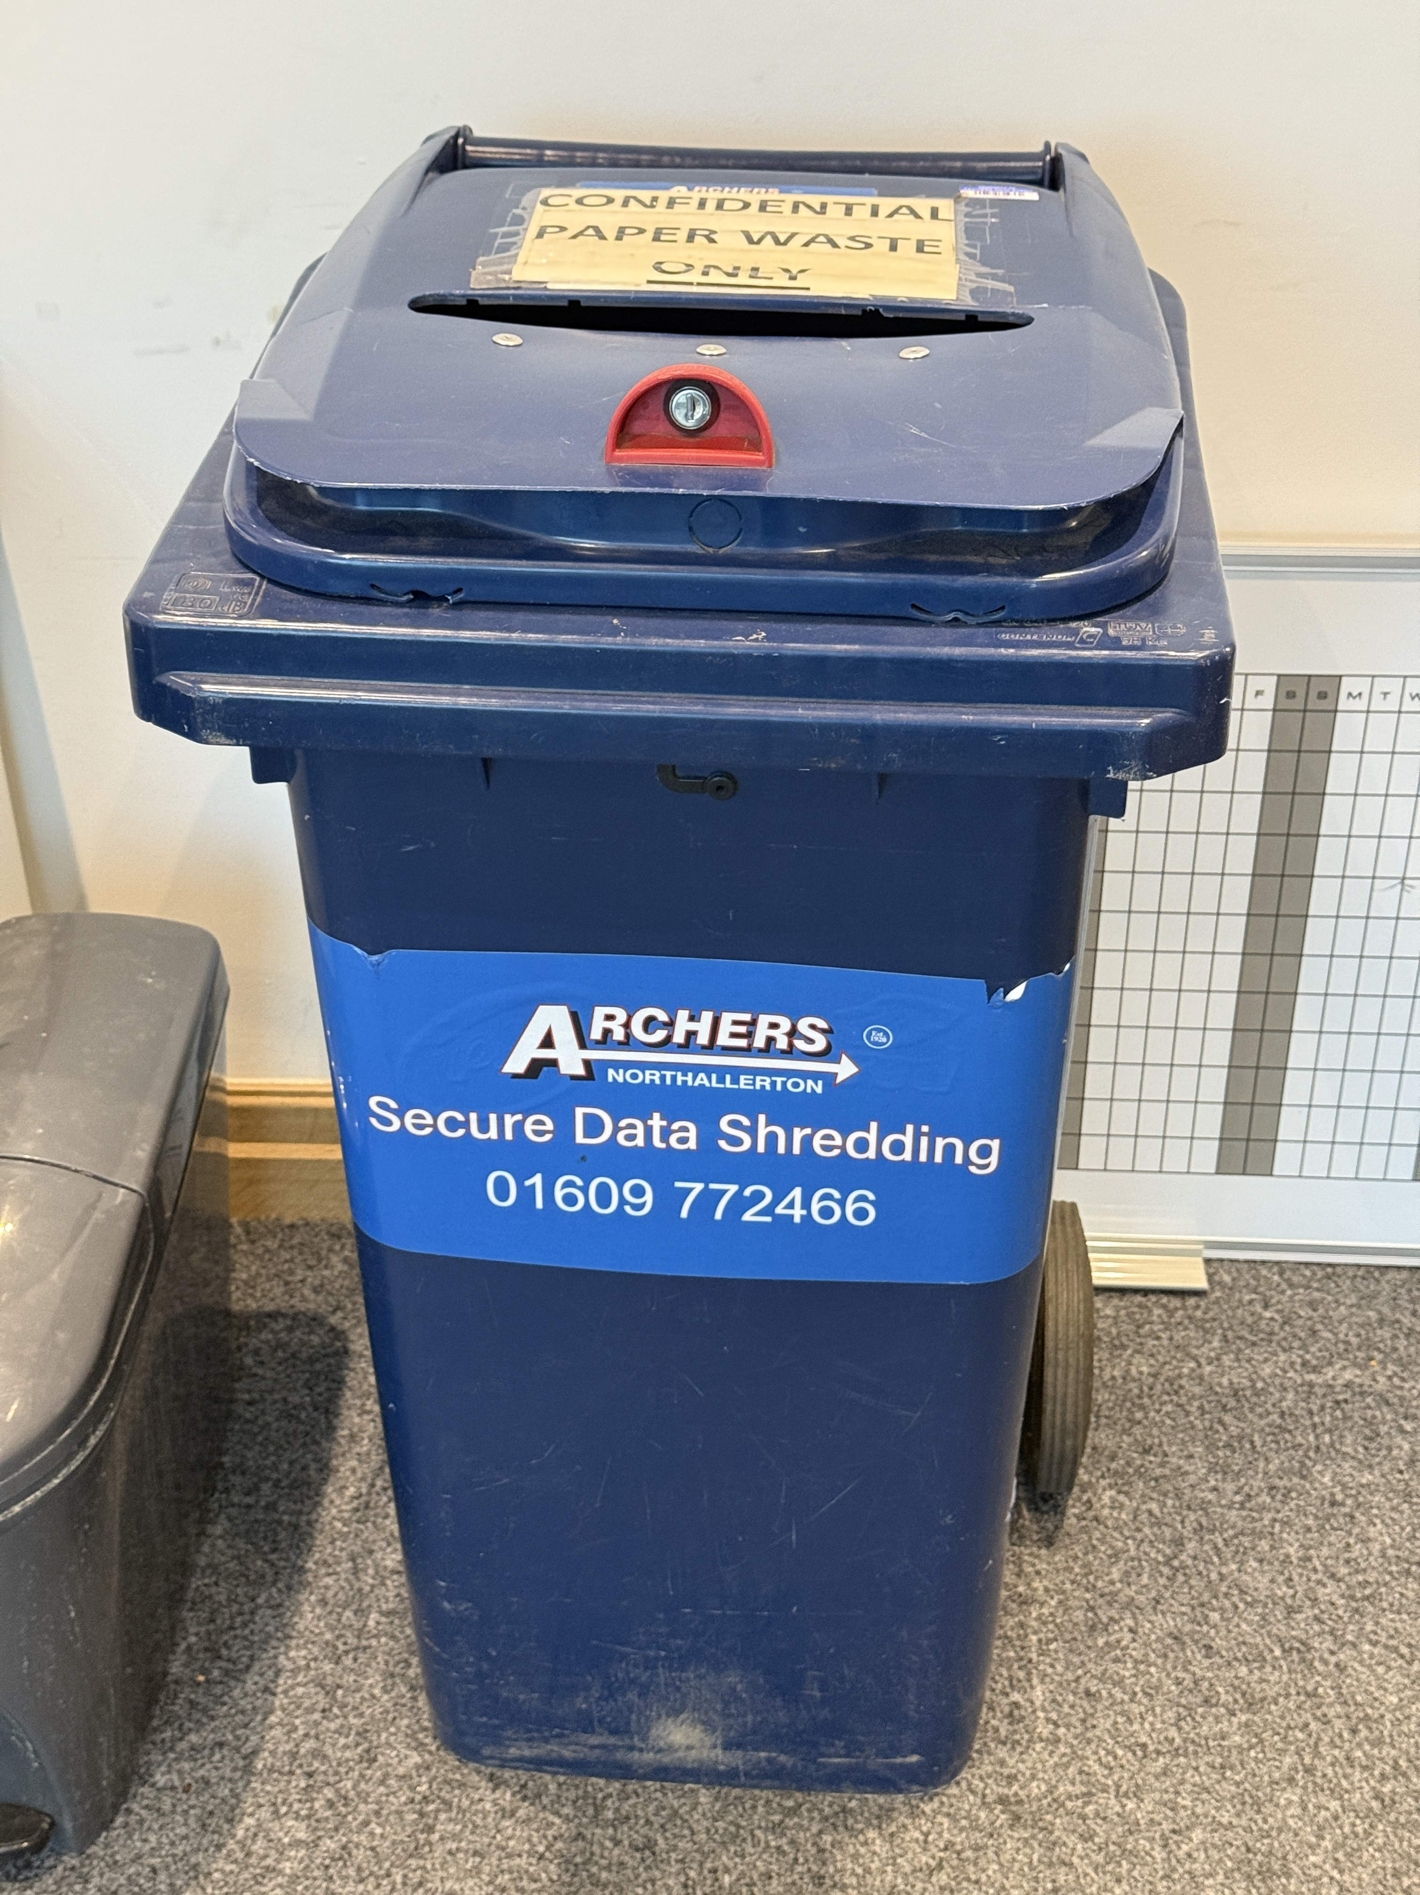
Red | Hazardouse Waste Safe Mini Box | Mineral Oil Rags/granuales contaminated with oil or solvents Alkaline batteries Flammable adhesives & adhesives Non LED Bulbs Paint Containers contaminated with oil Aerosols WEEE - PCB's, LEDS Grease | COSHH Area | n/a | Biffa | 3-monthly | 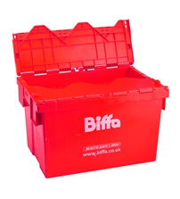
Grey | Sanitary bin | Sanitary waste | Unit 8 bathroom Unit 9 bathroom | n/a | phs | Monthly | 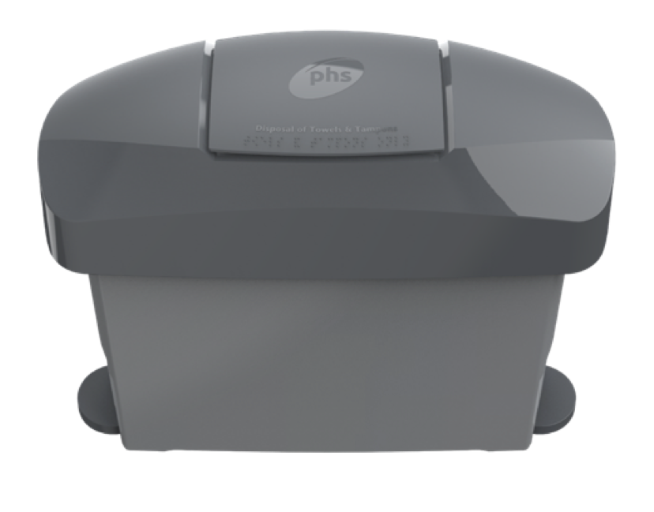
Black | Alkaline Battery Bin | Alkaline Batteries | Unit 8 Kitchen | Hazardouse Waste Safe Mini Box | n/a | n/a | 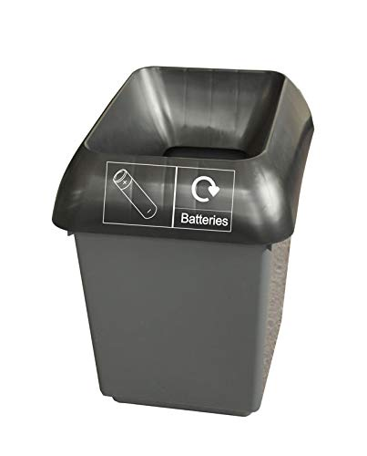
Clear | IBC container - 316 Stainless Steel | 316 Stainless Steel | Unit 8 Pallet Racking - bottom row | n/a | Northern Metal Recyling | On demand | 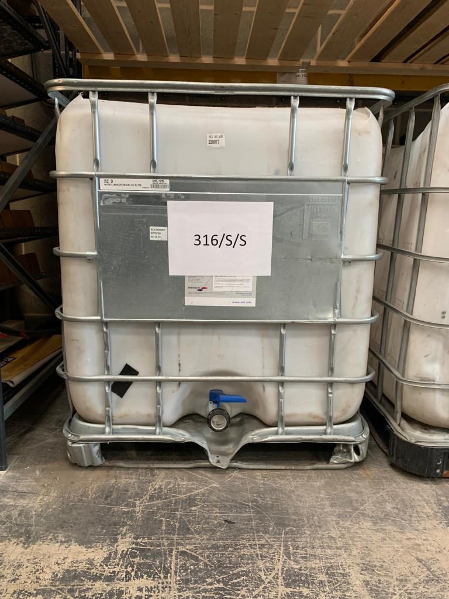
Clear | IBC container - Mixed Steel | Mixed Steel & Iron | Unit 8 Pallet Racking - bottom row | n/a | Northern Metal Recyling | On demand | 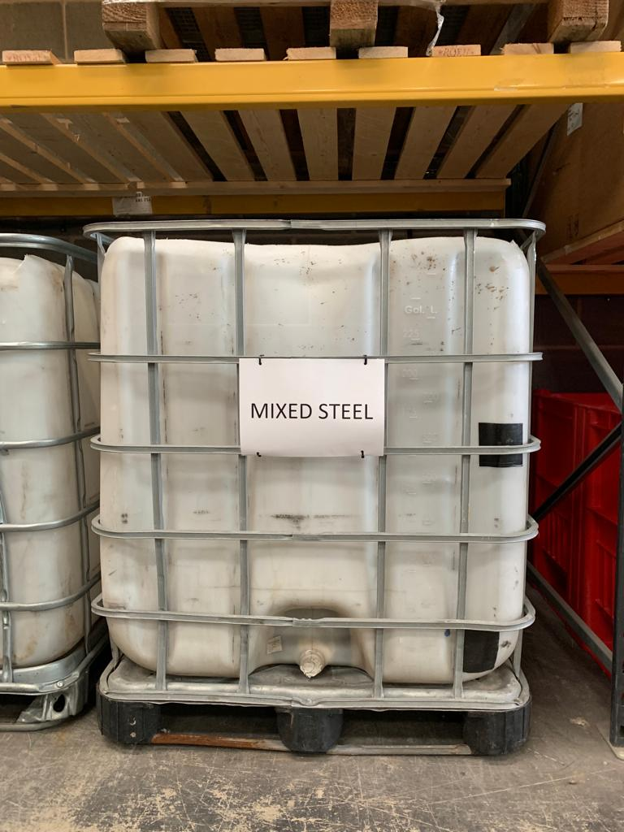
Blue | Pallet Crate - Scrap Cable | Scrap Cable | Unit 8 Pallet Racking - bottom row | n/a | Northern Metal Recyling | On demand | 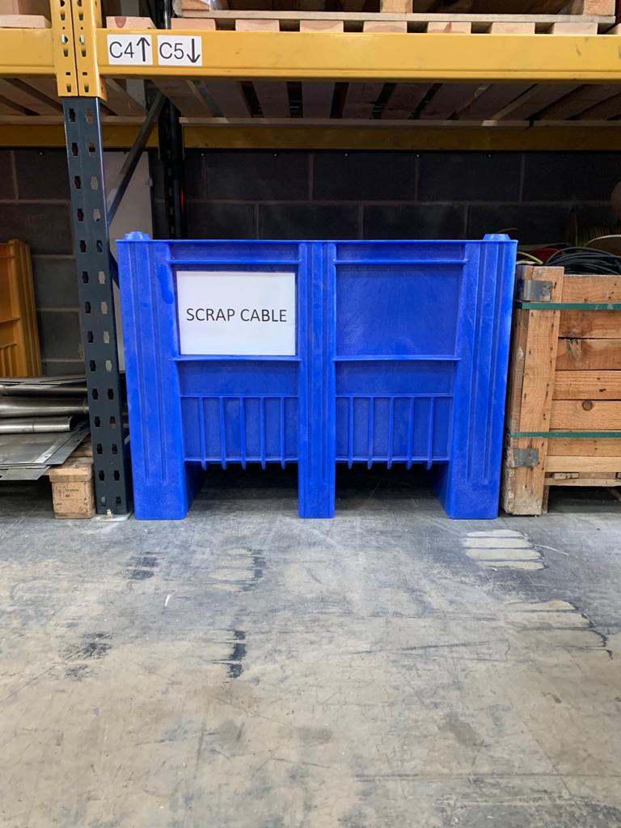
Red | Pallet Crate - Aluminium | Aluminium | Unit 8 Pallet Racking - bottom row | n/a | Northern Metal Recyling | On demand | 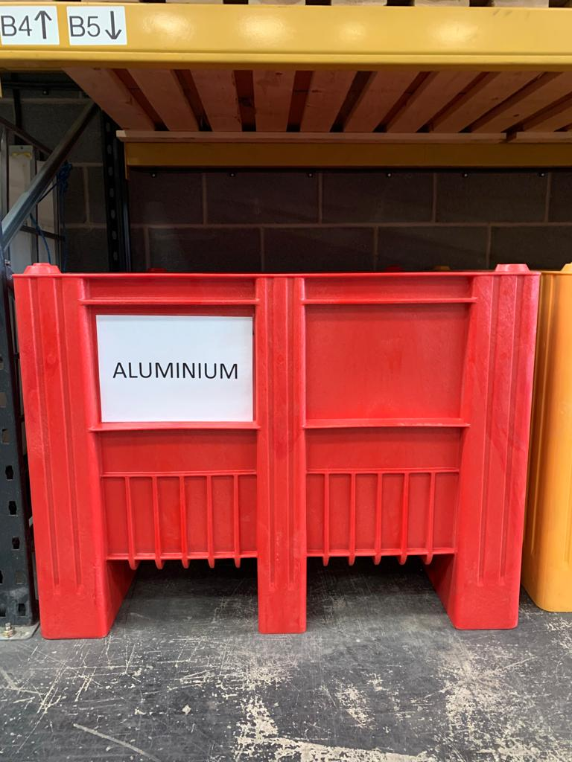
Yellow | Pallet Crate - WEEE | Electrical waste | Unit 8 Pallet Racking - bottom row | n/a | Northern Metal Recyling | On demand | 